2-Screenshot Approval
DO NOT PRINT e-mail file to accountspayable@winthrop.edu

Insert file or copy/paste screenshot of supervisor (always) and CFO/President approval (if applicable):
For instructions on inserting a file (if you printed the email to PDF, for example), see below.

To insert a file:

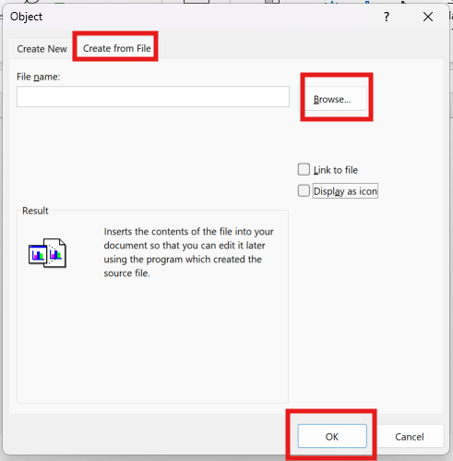
1. Click "Insert" tab
2. Click "Object" icon
3. Click "Create from File" tab
4. Browse for file
5. Click "OK"

